Normalized
 | (PM)2025 | (PM)2024 | (PM)2023 | (PM)2022 | (PM)2021 | (PM)2020 | (PM)2019 | (PM)2018 | (PM)2017 | (PM)2016 | (PM)2015 | (PM)2014 | flattened
Adani Ports and Special Economic Zone Ltd | 1 | 0.9679461559 | 0.7981646976 | 0.9020799028 | 1 | 0.9989608479 | 1 | 1 | 1 | 1 | 1 | 1 | 1
Asian Paints Ltd | 0.3150389282 | 0.4672347365 | 0.358843184 | 0.314079711 | 0.4464516954 | 0.4093619606 | 0.3386996211 | 0.3684353567 | 0.3959329187 | 0.3748301386 | 0.30033093 | 0.2961743218 | 0.9679461559
AXIS Bank Ltd | 0.6843375805 | 0.7278220972 | 0.3754696168 | 0.6363767166 | 0.3367811866 | 0.07267669582 | 0.2664385861 | 0.0103275727 | 0.2594043261 | 0.623906892 | 0.6450096721 | 0.6347780211 | 0.7981646976
Bajaj Finserv Ltd | 0.3975316142 | 0.4301450017 | 0.4541254336 | 0.3671564004 | 0.3671564004 | 0.3310258829 | 0.3818643987 | 0.3847420505 | 0.4285463062 | 0.9177471184 | 0.9938450225 | 1 | 0.9020799028
Bajaj Finance Ltd | 0.7476459209 | 0.8186279996 | 0.8672283417 | 0.6888139278 | 0.5084810794 | 0.6165528928 | 0.6693098432 | 0.6146344583 | 0.5676328116 | 0.5382168151 | 0.5119982095 | 0.5430129015 | 1
Bharat Electronics Ltd | 0.6897731451 | 0.6005659382 | 0.5084810794 | 0.4685136928 | 0.4474109127 | 0.4205528289 | 0.4643570846 | 0.4112803952 | 0.5308628159 | 0.5452510751 | 0.5180732522 | 0.4454924781 | 0.9989608479
Bharti Airtel Ltd | 0.6028041118 | 0.1030519096 | 0.2437371105 | 0.1398219053 | 0 | 0 | 0.03111061374 | 0.02119870186 | 0.08546625953 | 0.1714760755 | 0.1465364263 | 0.09090182411 | 1
HCL Technologies Ltd | 0.4538056946 | 0.4355805663 | 0.4464516954 | 0.4832216911 | 0.4522069991 | 0.4787453438 | 0.513916644 | 0.5292641205 | 0.5567616825 | 0.5532445524 | 0.6146344583 | 0.6258253265 | 1
HDFC Bank Ltd | 0.6952087097 | 0.7310194881 | 0.851241387 | 0.9036785983 | 0.8016818276 | 0.7095969689 | 0.6593979313 | 0.6753848859 | 0.6498057585 | 0.6312608911 | 0.6523636712 | 0.637655673 | 1
Hindustan Unilever Ltd | 0.5193522086 | 0.5097600358 | 0.513916644 | 0.520631165 | 0.5222298604 | 0.5215903822 | 0.4713913447 | 0.4486898691 | 0.4112803952 | 0.3917763105 | 0.4160764816 | 0.4112803952 | 1
ICICI Bank Ltd | 0.9123115538 | 0.8806573836 | 0.8886508609 | 0.8426084315 | 0.7035219261 | 0.4016882224 | 0.2312672859 | 0.4464516954 | 0.5733881153 | 0.5676328116 | 0.7313392272 | 0.7332576617 | 1
Infosys Ltd | 0.503365254 | 0.5247877732 | 0.503684993 | 0.5605985516 | 0.5967290691 | 0.5644354207 | 0.5743473326 | 0.7083180125 | 0.6501254976 | 0.6693098432 | 0.720468098 | 0.6581189749 | 1
ITC Ltd | 1 | 0.9132707711 | 0.8541190389 | 0.7946475676 | 0.8474045179 | 0.9871305015 | 0.8266214769 | 0.823743825 | 0.7610749628 | 0.7530814855 | 0.7824974821 | 0.7924093939 | 0.3150389282
Kotak Mahindra Bank Ltd | 1 | 1 | 1 | 1 | 0.9433262458 | 0.8007226103 | 0.7390129654 | 0.7607552237 | 0.6875349715 | 0.5161548177 | 0.7143930553 | 0.6485268021 | 0.4672347365
Larsen & Toubro Ltd | 0.1996131157 | 0.2037697239 | 0.1986538984 | 0.1887419865 | 0.2821058017 | 0.2165592876 | 0.2207158958 | 0.204089463 | 0.1797892919 | 0.1535706863 | 0.1500535563 | 0.1609246855 | 0.358843184
Mahindra & Mahindra Ltd | 0.2309475468 | 0.2363831114 | 0.238621285 | 0.1698773801 | 0 | 0 | 0.1206375598 | 0.2162395485 | 0.09889530143 | 0.09282025867 | 0.09377947595 | 0.1654010328 | 0.314079711
Maruti Suzuki India Ltd | 0.2766702371 | 0.2766702371 | 0.197055203 | 0.1129638215 | 0.1701971192 | 0.2133618967 | 0.2568464133 | 0.2875413662 | 0.3230324056 | 0.2769899762 | 0.2171987658 | 0.1823472047 | 0.4464516954
NTPC Ltd | 0.3479720548 | 0.331345622 | 0.2750715416 | 0.3626800531 | 0.3879394414 | 0.31439945 | 0.4045658742 | 0.3434957075 | 0.3716327477 | 0.4419753481 | 0.3748301386 | 0.4403766527 | 0.4093619606
Power Grid Corporation of India Ltd | 1 | 1 | 1 | 1 | 0.9321353775 | 0.9023996419 | 0.8819363399 | 0.8384518233 | 0.8880113827 | 0.8832152963 | 0.8921679909 | 0.906236511 | 0.3386996211
Reliance Industries Ltd | 0.2462950233 | 0.2574858915 | 0.2482134578 | 0.2872216272 | 0.3428562293 | 0.1912998993 | 0.2018512893 | 0.2725136289 | 0.2920177135 | 0.3243113619 | 0.1797892919 | 0.1442982526 | 0.3684353567
State Bank of India | 0.493133603 | 0.4745887356 | 0.4940928203 | 0.3793064859 | 0.2578056306 | 0.193857812 | 0.01736183274 | 0 | 0 | 0.1631628591 | 0.2478937187 | 0.2235935477 | 0.3959329187
Sun Pharmaceutical Industries Ltd | 0.6462886285 | 0.6146344583 | 0.6021646337 | 0.2603635433 | 0.1967354639 | 0.386340746 | 0.3316653611 | 0.2974532781 | 0.7786606129 | 0.6133555019 | 0.6181515883 | 0.7498840946 | 0.3748301386
Tata Motors Ltd | 0.1810682483 | 0.2056881585 | 0.0004156608208 | 0 | 0 | 0 | 0 | 0.05253313296 | 0.05029495931 | 0.1084874742 | 0.1497338172 | 0.1721155537 | 0.30033093
Tata Steel Ltd | 0.02215791914 | 0 | 0.07907147767 | 0.5171140349 | 0.1391824271 | 0 | 0.1583667727 | 0.4039263961 | 0 | 0 | 0 | 0.05732921936 | 0.2961743218
Tata Consultancy Services Ltd | 0.589694809 | 0.5903342872 | 0.5785039408 | 0.6197502838 | 0.6127160237 | 0.6395741075 | 0.6673914086 | 0.6507649758 | 0.692970536 | 0.6948889706 | 0.6562005404 | 0.734216879 | 0.6843375805
Tech Mahindra Ltd | 0.2347844159 | 0.1251139071 | 0.2715544116 | 0.3815446596 | 0.3460536202 | 0.3169573628 | 0.3793064859 | 0.3719524868 | 0.2916979745 | 0.3434957075 | 0.3543668367 | 0.4985691676 | 0.7278220972
Titan Company Ltd | 0.1548496427 | 0.197374942 | 0.2363831114 | 0.2226343304 | 0.1231954725 | 0.2056881585 | 0.2034499848 | 0.1976946811 | 0.1471759045 | 0.1701971192 | 0.1976946811 | 0.1935380729 | 0.3754696168
Trent Ltd | 0.248852936 | 0.3284679701 | 0.09889530143 | 0 | 0 | 0.1036913878 | 0.107847996 | 0.1411008617 | 0.1442982526 | 0.07299643491 | 0.1596457291 | 0 | 0.6363767166
UltraTech Cement Ltd | 0.2331857205 | 0.2932966699 | 0.2347844159 | 0.424389698 | 0.3687550958 | 0.4119198734 | 0.16284312 | 0.2082460712 | 0.3204744928 | 0.293616409 | 0.2546082397 | 0.3051270164 | 0.3367811866
 |  |  |  |  |  |  |  |  |  |  |  |  | 0.07267669582
 |  |  |  |  |  |  |  |  |  |  |  |  | 0.2664385861
 |  |  |  |  |  |  |  |  |  |  |  |  | 0.0103275727
Global min | 0 |  |  |  |  |  |  |  |  |  |  |  | 0.2594043261
Global Max | 1 |  |  |  |  |  |  |  |  |  |  |  | 0.623906892
 |  |  |  |  |  |  |  |  |  |  |  |  | 0.6450096721
 |  |  |  |  |  |  |  |  |  |  |  |  | 0.6347780211
 |  |  |  |  |  |  |  |  |  |  |  |  | 0.3975316142
 |  |  |  |  |  |  |  |  |  |  |  |  | 0.4301450017
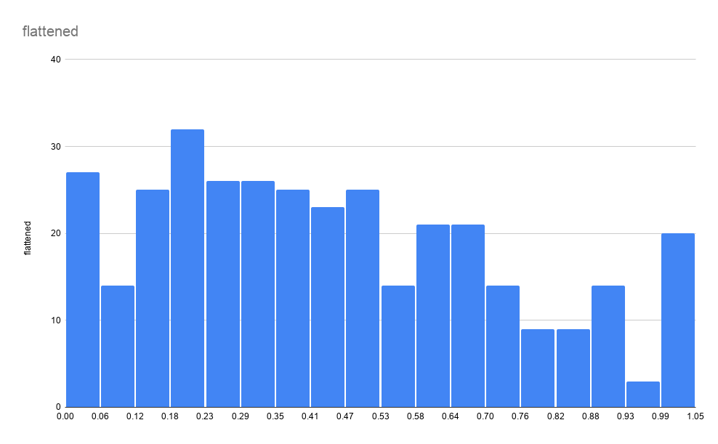
 |  |  |  |  |  |  |  |  |  |  |  |  | 0.4541254336
 |  |  |  |  |  |  |  |  |  |  |  |  | 0.3671564004
 |  |  |  |  |  |  |  |  |  |  |  |  | 0.3671564004
 |  |  |  |  |  |  |  |  |  |  |  |  | 0.3310258829
 |  |  |  |  |  |  |  |  |  |  |  |  | 0.3818643987
 |  |  |  |  |  |  |  |  |  |  |  |  | 0.3847420505
 |  |  |  |  |  |  |  |  |  |  |  |  | 0.4285463062
 |  |  |  |  |  |  |  |  |  |  |  |  | 0.9177471184
 |  |  |  |  |  |  |  |  |  |  |  |  | 0.9938450225
 |  |  |  |  |  |  |  |  |  |  |  |  | 1
 |  |  |  |  |  |  |  |  |  |  |  |  | 0.7476459209
 |  |  |  |  |  |  |  |  |  |  |  |  | 0.8186279996
 |  |  |  |  |  |  |  |  |  |  |  |  | 0.8672283417
 |  |  |  |  |  |  |  |  |  |  |  |  | 0.6888139278
 |  |  |  |  |  |  |  |  |  |  |  |  | 0.5084810794
 |  |  |  |  |  |  |  |  |  |  |  |  | 0.6165528928
 |  |  |  |  |  |  |  |  |  |  |  |  | 0.6693098432
 |  |  |  |  |  |  |  |  |  |  |  |  | 0.6146344583
 |  |  |  |  |  |  |  |  |  |  |  |  | 0.5676328116
 |  |  |  |  |  |  |  |  |  |  |  |  | 0.5382168151
 |  |  |  |  |  |  |  |  |  |  |  |  | 0.5119982095
 |  |  |  |  |  |  |  |  |  |  |  |  | 0.5430129015
 |  |  |  |  |  |  |  |  |  |  |  |  | 0.6897731451
 |  |  |  |  |  |  |  |  |  |  |  |  | 0.6005659382
 |  |  |  |  |  |  |  |  |  |  |  |  | 0.5084810794
 |  |  |  |  |  |  |  |  |  |  |  |  | 0.4685136928
 |  |  |  |  |  |  |  |  |  |  |  |  | 0.4474109127
 |  |  |  |  |  |  |  |  |  |  |  |  | 0.4205528289
 |  |  |  |  |  |  |  |  |  |  |  |  | 0.4643570846
 |  |  |  |  |  |  |  |  |  |  |  |  | 0.4112803952
 |  |  |  |  |  |  |  |  |  |  |  |  | 0.5308628159
 |  |  |  |  |  |  |  |  |  |  |  |  | 0.5452510751
 |  |  |  |  |  |  |  |  |  |  |  |  | 0.5180732522
 |  |  |  |  |  |  |  |  |  |  |  |  | 0.4454924781
 |  |  |  |  |  |  |  |  |  |  |  |  | 0.6028041118
 |  |  |  |  |  |  |  |  |  |  |  |  | 0.1030519096
 |  |  |  |  |  |  |  |  |  |  |  |  | 0.2437371105
 |  |  |  |  |  |  |  |  |  |  |  |  | 0.1398219053
 |  |  |  |  |  |  |  |  |  |  |  |  | 0
 |  |  |  |  |  |  |  |  |  |  |  |  | 0
 |  |  |  |  |  |  |  |  |  |  |  |  | 0.03111061374
 |  |  |  |  |  |  |  |  |  |  |  |  | 0.02119870186
 |  |  |  |  |  |  |  |  |  |  |  |  | 0.08546625953
 |  |  |  |  |  |  |  |  |  |  |  |  | 0.1714760755
 |  |  |  |  |  |  |  |  |  |  |  |  | 0.1465364263
 |  |  |  |  |  |  |  |  |  |  |  |  | 0.09090182411
 |  |  |  |  |  |  |  |  |  |  |  |  | 0.4538056946
 |  |  |  |  |  |  |  |  |  |  |  |  | 0.4355805663
 |  |  |  |  |  |  |  |  |  |  |  |  | 0.4464516954
 |  |  |  |  |  |  |  |  |  |  |  |  | 0.4832216911
 |  |  |  |  |  |  |  |  |  |  |  |  | 0.4522069991
 |  |  |  |  |  |  |  |  |  |  |  |  | 0.4787453438
 |  |  |  |  |  |  |  |  |  |  |  |  | 0.513916644
 |  |  |  |  |  |  |  |  |  |  |  |  | 0.5292641205
 |  |  |  |  |  |  |  |  |  |  |  |  | 0.5567616825
 |  |  |  |  |  |  |  |  |  |  |  |  | 0.5532445524
 |  |  |  |  |  |  |  |  |  |  |  |  | 0.6146344583
 |  |  |  |  |  |  |  |  |  |  |  |  | 0.6258253265
 |  |  |  |  |  |  |  |  |  |  |  |  | 0.6952087097
 |  |  |  |  |  |  |  |  |  |  |  |  | 0.7310194881
...

